DATOS
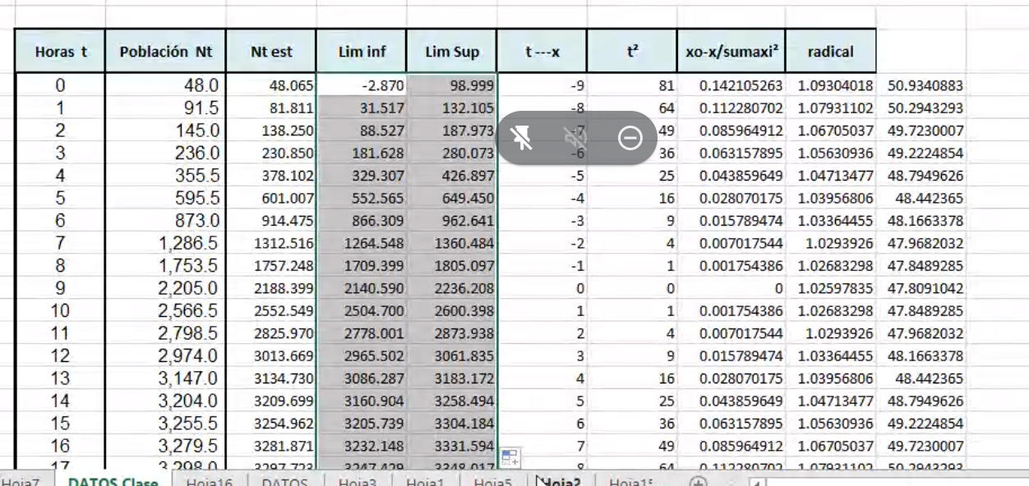
Horas | Unidades de
T | levadura
 | Nt
0 | 48.0
1 | 91.5
2 | 145.0
3 | 236.0
4 | 355.5
5 | 595.5
6 | 873.0
7 | 1,286.5
8 | 1,753.5
9 | 2,205.0
10 | 2,566.5
11 | 2,798.5
12 | 2,974.0
13 | 3,147.0
14 | 3,204.0
15 | 3,255.5
16 | 3,279.5
17 | 3,298.0
18 | 3,309.0 |  |  |  |  | Coefficients
 |  |  |  |  | Intercept | 4.2205927545
 |  |  |  |  | X Variable 1 | -0.54223660721
 | k | 3320
Horas | Unidades de
T | levadura |  |  |  | e^2
 | Nt
0 | 48.0 | 4.2219556868 | 48.064517595 | -0.06 | 0.00
1 | 91.5 | 3.5634339398 | 81.811131322 | 9.69 | 93.87
2 | 145.0 | 3.0863291689 | 138.25045822 | 6.75 | 45.56
3 | 236.0 | 2.5701509297 | 230.85003637 | 5.15 | 26.52
4 | 355.5 | 2.1209384139 | 378.10196788 | -22.60 | 510.85
5 | 595.5 | 1.5206388152 | 601.00728056 | -5.51 | 30.33
6 | 873.0 | 1.0306825076 | 914.47514086 | -41.48 | 1,720.19
7 | 1,286.5 | 0.45783309363 | 1312.5158308 | -26.02 | 676.82
8 | 1,753.5 | -0.11276995919 | 1757.2476062 | -3.75 | 14.04
9 | 2,205.0 | -0.68187310399 | 2188.3989465 | 16.60 | 275.59
10 | 2,566.5 | -1.2255693639 | 2552.5491208 | 13.95 | 194.63
11 | 2,798.5 | -1.6801295639 | 2825.9696726 | -27.47 | 754.58
12 | 2,974.0 | -2.151224352 | 3013.6687765 | -39.67 | 1,573.61
13 | 3,147.0 | -2.9009133026 | 3134.7298312 | 12.27 | 150.56
14 | 3,204.0 | -3.3185651171 | 3209.6990316 | -5.70 | 32.48
15 | 3,255.5 | -3.9214359289 | 3254.9615019 | 0.54 | 0.29
16 | 3,279.5 | -4.3941442766 | 3281.8709677 | -2.37 | 5.62
17 | 3,298.0 | -5.0100290498 | 3297.7229295 | 0.28 | 0.08
18 | 3,309.0 | -5.7065060351 | 3307.0105987 | 1.99 | 3.96

 |  |  |  |  | 6,109.59
 |  |  |  | Sigma2 | 359.39
 |  |  |  | Sigma | 18.957522012

 |  |  | t.975, 17 gl | 2.4580507204

Horas | Unidades de
T | levadura |  |  |  | t-x | t^2 | x0-x/sumaxi2 | radical | SUMANDO 2
 | Nt |  | Lim Inf | Lim sup
0 | 48.0 | 48.064517595 | -2.8695707324 | 98.998605923 | -9 | 81 | 0.14210526316 | 1.0930401832 | 50.934088328
1 | 91.5 | 81.811131322 | 31.51680204 | 132.1054606 | -8 | 64 | 0.11228070175 | 1.0793110213 | 50.294329281
2 | 145.0 | 138.25045822 | 88.527457535 | 187.9734589 | -7 | 49 | 0.085964912281 | 1.0670503696 | 49.723000682
3 | 236.0 | 230.85003637 | 181.62755096 | 280.07252179 | -6 | 36 | 0.063157894737 | 1.0563093646 | 49.222485416
4 | 355.5 | 378.10196788 | 329.30700524 | 426.89693052 | -5 | 25 | 0.043859649123 | 1.0471347707 | 48.79496264
5 | 595.5 | 601.00728056 | 552.5649156 | 649.44964551 | -4 | 16 | 0.028070175439 | 1.0395680614 | 48.442364954
6 | 873.0 | 914.47514086 | 866.30880302 | 962.6414787 | -3 | 9 | 0.015789473684 | 1.0336445485 | 48.166337836
7 | 1,286.5 | 1312.5158308 | 1264.5476276 | 1360.4840339 | -2 | 4 | 0.0070175438596 | 1.029392599 | 47.96820315
8 | 1,753.5 | 1757.2476062 | 1709.3986776 | 1805.0965347 | -1 | 1 | 0.0017543859649 | 1.0268329781 | 47.848928528
9 | 2,205.0 | 2188.3989465 | 2140.5898423 | 2236.2080507 | 0 | 0 | 0 | 1.0259783521 | 47.809104194
10 | 2,566.5 | 2552.5491208 | 2504.7001922 | 2600.3980493 | 1 | 1 | 0.0017543859649 | 1.0268329781 | 47.848928528
11 | 2,798.5 | 2825.9696726 | 2778.0014694 | 2873.9378757 | 2 | 4 | 0.0070175438596 | 1.029392599 | 47.96820315
12 | 2,974.0 | 3013.6687765 | 2965.5024387 | 3061.8351144 | 3 | 9 | 0.015789473684 | 1.0336445485 | 48.166337836
13 | 3,147.0 | 3134.7298312 | 3086.2874662 | 3183.1721961 | 4 | 16 | 0.028070175439 | 1.0395680614 | 48.442364954
14 | 3,204.0 | 3209.6990316 | 3160.904069 | 3258.4939943 | 5 | 25 | 0.043859649123 | 1.0471347707 | 48.79496264
15 | 3,255.5 | 3254.9615019 | 3205.7390165 | 3304.1839873 | 6 | 36 | 0.063157894737 | 1.0563093646 | 49.222485416
16 | 3,279.5 | 3281.8709677 | 3232.147967 | 3331.5939684 | 7 | 49 | 0.085964912281 | 1.0670503696 | 49.723000682
17 | 3,298.0 | 3297.7229295 | 3247.4286002 | 3348.0172588 | 8 | 64 | 0.11228070175 | 1.0793110213 | 50.294329281
18 | 3,309.0 | 3307.0105987 | 3256.0765103 | 3357.944687 | 9 | 81 | 0.14210526316 | 1.0930401832 | 50.934088328

9 |  |  |  |  |  | 570

